Sheet1
Members: Althea Lastimosa, Niña Nipaya

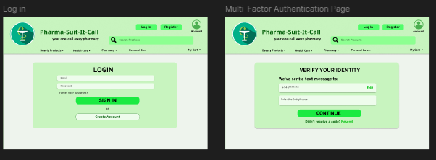
Test Case No. 1: Login
Test Case Description: Login Functionalities
Serial No. | Description | Action | Inputs | Expected Output | Actual Output
1 | Login with valid credentials | Enter username and password | Username: valid_user, Password: valid_pass | Redirect to Dashboard
2 | Login with invalid credentials | Enter incorrect username/password | Username: wrong_user, Password: wrong_pass | Error: "Invalid credentials"
3 | Login with empty fields | Click "Login" without input | - | Error: "Fields cannot be empty"
4 | Multi-Factor Authentication (MFA) | Enter OTP received via SMS | OTP: 123456 | Successful authentication, access granted

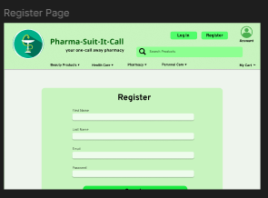
Test Case No. 2: Registration
Test Case Description: Registration Functionalities
Serial No. | Description | Action | Inputs | Expected Output | Actual Output
1 | Register with valid details | Enter valid user details | Name: monics, Email: moncis@gmail.com, Password: gwapokayko | Account successfully created, redirected to login page
2 | Register with existing email | Enter already registered email | Email: monics@gmail.com | Account successfully created, redirected to login page
3 | Register with weak password | Enter weak password | Name: -, Email: andot@gmail.com, Password: 123 | Error: "Password must be at least 8 characters long"
4 | Register with empty fields | Click "Register" without input | Email: invalidemail | Error: "All fields are required"

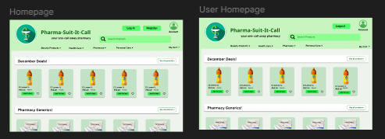
Test Case No. 3:Menu Navigation
Test Case Description: Navigating through product categories
Serial No. | Description | Action | Inputs | Expected Output | Actual Output
1 | Navigate to Beauty Products | Click on "Beauty Products" menu | - | Beauty Products page loads successfully
2 | Navigate to Health Care | Click on "Health Care" menu | - | Health Care page loads successfully
3 | Navigate to Pharmacy | Click on "Pharmacy" menu | - | Pharmacy page loads successfully
4 | Navigate to Personal Care | Click on "Personal Care" menu | - | Personal Care page loads successfully

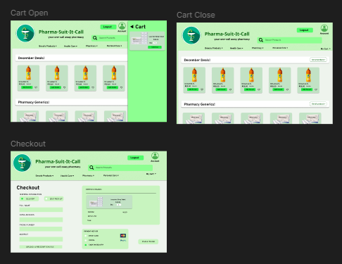
Test Case No. 4: Cart and Checkout
Test Case Description:Adding products to cart and checking out
Serial No. | Description | Action | Inputs | Expected Output | Actual Output
1 | Add product to cart | Click "Add to Cart" on a product | Product: Losartan 50 Tablet | Product added to cart successfully
2 | View cart | Click "Cart" icon | - | Cart opens displaying selected products
3 | Remove product from cart | Click "Remove" on a product in cart | Product: Losartan 50 Tablet | Product removed from cart successfully
4 | Proceed to checkout | Click "Checkout" button | - | Redirected to checkout page

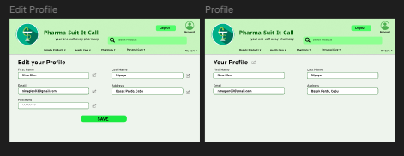
Test Case No. 5: Profile Management
Test Case Description: Editing and viewing user profile
Serial No. | Description | Action | Inputs | Expected Output | Actual Output
1 | View Profile | Click on "Profile" page | - | Profile details displayed
2 | Edit Profile | Click "Edit Profile" and change details | Name: Monico Baxal , Email: monico@gmail.com | Profile updated successfully
3 | Save empty profile fields | Clear all fields and save | - | Error: "Fields cannot be empty"

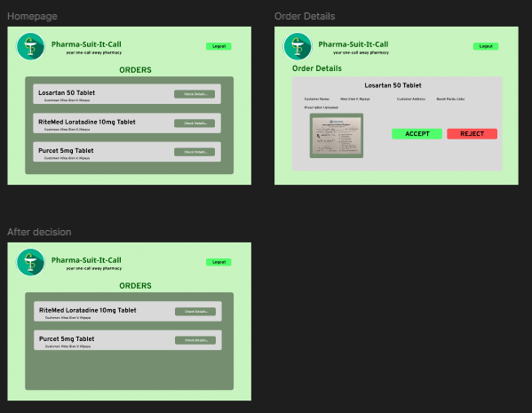
Test Case No. 6: User Management (admin side)
Test Case Description:Testing order review, approval, and rejection functionalities
Serial No. | Description | Action | Inputs | Expected Output | Actual Output
1 | View pending orders | Navigate to the "Orders" section | - | List of pending orders displayed
2 | View order details | Click "Check Details" on an order | Selected order | Order details displayed
3 | Approve an order | Click "Accept" button | Selected order | Order marked as "Approved"
4 | Reject an order | Click "Reject" button | Selected order | Order marked as "Rejected"
5 | View processed orders | Click "Accept" button | - | List of accepted/rejected orders

